Plan1
In a two wires assembly, we must consider the resistance of the wires connection between the element sensor and the temperature indicator/controller.
Resistance of a wire can be expressed as:
This resistance can vary in function of the characteristics of the wire, such as:
- wire diameter (A), alloying of metals, wire extension length, environment temperature and/or the media where the wire is installed.
To identify the error caused by the resistance of the conductors, we can use the formula below:
E°C/m = Error in °C per meter, proportional to the variables of the conductors Rc₁ e Rc₂.
Rc₁ e Rc₂ = Electrical resistance in ohm/m of the conductor. Both conductors must have the same characteristics
dR/dT = derivative dR/dT which represents the resistance increment in ohm/ºC. Also can be 0.3850, 0.3851, 0.3916 or 0.3923.

E°C/m = Rc1 + Rc2
dR/dT
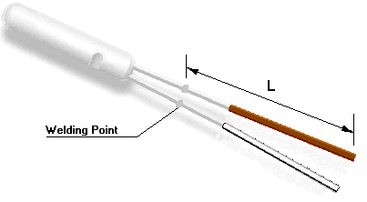

Input |  | Results
resistance increment (dR/dT): | 0.3850 | Wire material resistivity (ρ): | 0.0172 | 10⁻⁶ Ohms.m @ 20°C
Wire material: | Copper | Wire cross section area (A): | 0.2043 | mm²
Wire diameter (D): | 24 AWG / Ø 0.51 mm | Resistance per meter of wire (R): | 0.0842 | Ohms
Wire length in millimeters (L): | 10000 | Measurement error per meter 2 wires (E): | 0.0894 | °C/m @ 20 °C
 |  | Total measuring error of sensor: | 0.8935 | °C

 | This application was developed by Sensor Technology Ltda. All right reserved.
 | Technical responsible: Eng° Orlando Rodrigues dos Santos Filho
 | www.sensor-technology.com.br | orlando.santos@sensor-technology.com.br

